Sheet1
Module | Test Cases | Input | Expected Output | Predicted Output | Status
Generating captions for the extracted frames in the video (ImageCaptioning) | Animals in back pose | 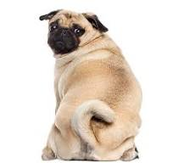 | A pug dog ; Dog turning head | A pug dog sitting on its hind legs. | Pass
 |  | 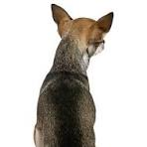 | A dog in back pose; | A dog sitting on a white surface looking up. | Pass

 | Animal with different color | 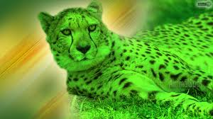 | A cheetah in green colour | A cheetah laying in the grass with a green background. | Pass
 |  | 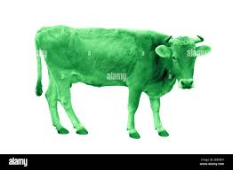 | Cow standing; Green colour cow | A green cow standing on a white background. | Pass
 |  | 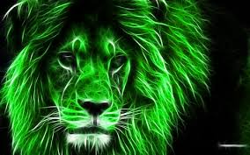 | A lion face in green color. | A lion with green hair and a black background. | Pass

 | Animals looking same in appearance | 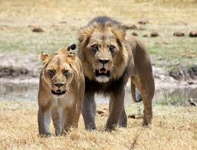 | Two lions standing near to each other | Two lions walking in a field next to a river. | Pass
 |  | 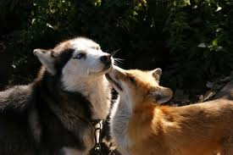 | A fox and a husky dog are standing together | Two dogs are standing next to each other. | Fail
 |  | 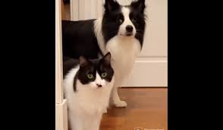 | A dog and a cat standing together | A dog and a cat standing in front of a door. | Pass
 |  | 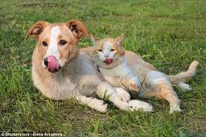 | A white dog and a white cat laying in ground | A dog and a cat laying in the grass. | Pass
 |  | 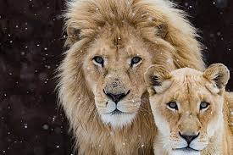 | A lion and a lioness standing together | Two lions standing in the snow with one looking at the camera | Pass

 | Black and white images of animals | 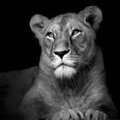 | A black and white image of a lion | A lion laying down in the dark | Pass
 |  | 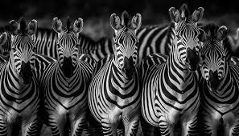 | A black and white image showing group of zebras | A herd of zebras standing in a line | Pass
 |  |  | A deer in dark | A deer in the dark with a black background | Pass
 |  | 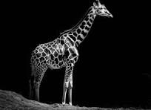 | A giraffe standing in the dark background. | A giraffe standing in the dark with its head turned | Pass

 | Blurred images of animals | 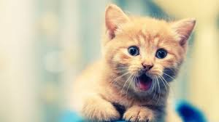 | A blurred image of a kitten sitting. | A kitten sitting on top of a blue blanket | Pass
 |  | 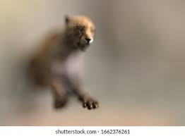 | A cheetah cub ; blurry image of cheetah | A cheetah cub in a blurry photo | Pass
 |  | 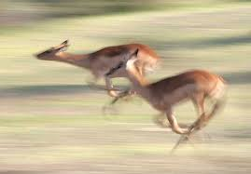 | Two deer running | Two deer running in a field with grass | Pass

 | Cartoon images of animals | 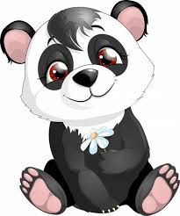 | A cartoon picture of panda | A panda bear sitting down with a flower in its mouth | Pass
 |  | 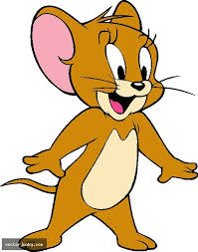 | Jerry mouse ; A cartoon mouse; mouse smiling | A cartoon mouse with a big smile | Pass
 |  | 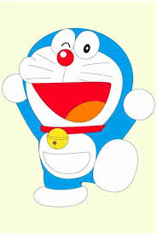 | A cartoon character winking; smiling | A cartoon character with a red nose and a blue tail | Pass
 |  | 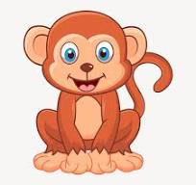 | A cartoon monkey sitting | A cartoon monkey sitting on the ground | Pass
 |  | 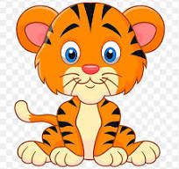 | A cartoon tiger sitting | A cartoon tiger sitting down | Pass

 | Drawn images of animals and birds | 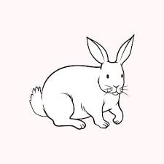 | A drawing of a rabbit | A rabbit sitting on the ground with its head turned | Pass
 |  | 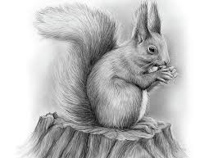 | A drawing of a squirrel | A squirrel sitting on a tree stump eating a nut | Pass
 |  | 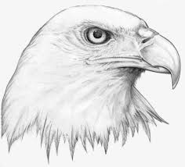 | A drawing of a eagle | A drawing of a bald eagle head | Pass
 |  | 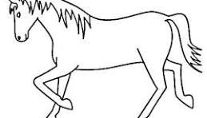 | A drawing of a horse | A horse is shown in this drawing | Pass

 | Animals in green background | 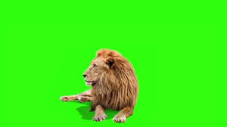 | A lion on a green background | A lion sitting on a green screen | Pass
 |  | 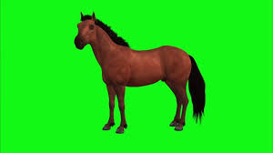 | A horse on a green background | A horse standing on a green screen | Pass
 |  | 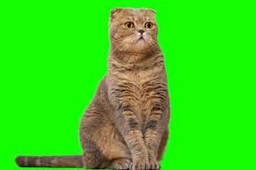 | A cat on a green background | A cat sitting on a green screen | Pass

 | Group of animals | 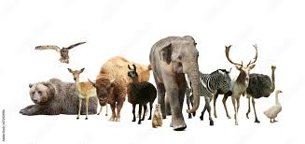 | A group of animals and birds | A group of animals standing next to each other | Pass
 |  | 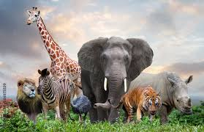 | A group of animals standing | A group of animals standing in a field | Pass

 | Man looking like a woman | 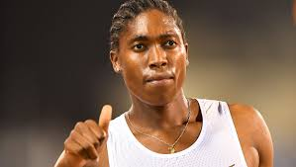 | A black man ; looking like a athlete | A woman giving the thumbs up sign | Fail
 |  | 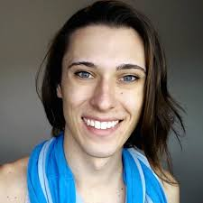 | A man in woman dress; white man smiling | A woman with a blue scarf on smiling | Fail
 |  | 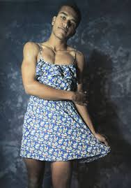 | A man in a woman dress; blue dress | A man in a dress posing for a picture | Pass
 |  | 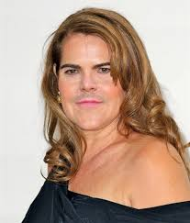 | A man in woman dress with long hair | A woman in a black dress posing for a picture | Fail

 | Images that contains nothing but a plain color |  | A plain image with blue colour | A man in a suit and tie standing in front of a blue background | Fail
 |  |  | A plain image with light pink colour | A woman in a pink dress holding a camera | Fail
 |  |  | An image with different shades of colour | A rainbow of colors with a black background | Fail

 | Animals in top angle | 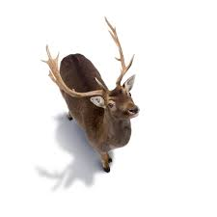 | A deer with horns in top angle | A deer with antlers on a white background | Pass
 |  | 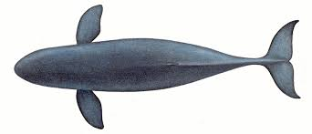 | A blue whale in top angle | A blue whale is shown in this image | Pass
 |  | 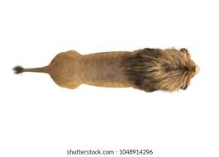 | A lion from top angle | A lion head on a white background | Pass

 | Woman in suit looking like man | 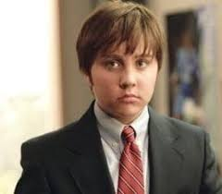 | A woman in a suit and tie | A young man in a suit and tie | Fail
 |  | 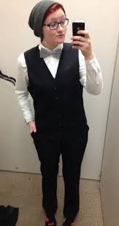 | A woman taking a selfie in a mirror; woman wearing specs | A woman taking a selfie in a bathroom mirror | Pass
 |  | 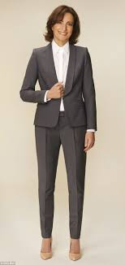 | A woman in a suit | A woman in a suit and heels posing for a picture | Pass

 | AI generated images | 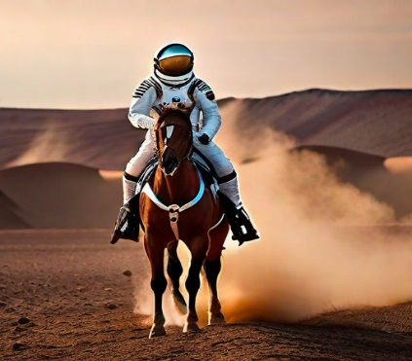 | An astronaut riding a horse | A man in a space suit riding a horse | Pass
 |  |  | A Dragon head with red and gold skin | A dragon with a red and yellow tail | Pass
 |  | 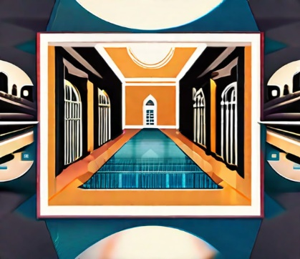 | A beautiful imaginary palace. | A picture of a hallway with a pool in it | Pass

